Sheet1
Estado presente Q(t) |  |  |  | Estado futuro Q(t+1) |  |  |  | Entradas de cada flip flop

QD | QC | QB | QA | QD | QC | QB | QA | JD | KD | JC | KC | JB | KB | JA | KA | JD |  |  |  |  |  | KD
0 | 0 | 0 | 0 | 0 | 0 | 0 | 1 | 0 | X | 0 | X | 0 | X | 1 | X |  | QB QA |  |  |  |  |  | QB QA
0 | 0 | 0 | 1 | 0 | 0 | 1 | 0 | 0 | X | 0 | X | 1 | X | X | 1 | QD QC |  | 0 0 | 0 1 | 1 1 | 1 0 | QD QC |  | 0 0 | 0 1 | 1 1 | 1 0
0 | 0 | 1 | 0 | 0 | 0 | 1 | 1 | 0 | X | 0 | X | X | 0 | 1 | X |  | 0 0 | 0 | 0 | 0 | 0 |  | 0 0 | X | X | X | X
0 | 0 | 1 | 1 | 0 | 1 | 0 | 0 | 0 | X | 1 | X | X | 1 | X | 1 |  | 0 1 | 0 | 0 | 1 | 0 |  | 0 1 | X | X | X | X
0 | 1 | 0 | 0 | 0 | 1 | 0 | 1 | 0 | X | X | 0 | 0 | X | 1 | X |  | 1 1 | X | X | X | X |  | 1 1 | X | X | X | X
0 | 1 | 0 | 1 | 0 | 1 | 1 | 0 | 0 | X | X | 0 | 1 | X | X | 1 |  | 1 0 | X | X | X | X |  | 1 0 | 0 | 1 | X | X
0 | 1 | 1 | 0 | 0 | 1 | 1 | 1 | 0 | X | X | 0 | X | 0 | 1 | X |  | JD = QCQBQA |  |  |  |  |  | KD = QA
0 | 1 | 1 | 1 | 1 | 0 | 0 | 0 | 1 | X | X | 1 | X | 1 | X | 1
1 | 0 | 0 | 0 | 1 | 0 | 0 | 1 | X | 0 | 0 | X | 0 | X | 1 | X
1 | 0 | 0 | 1 | 0 | 0 | 0 | 0 | X | 1 | 0 | X | 0 | X | X | 1 | JC |  |  |  |  |  | KC
1 | 0 | 1 | 0 | ? | ? | ? | ? | X | X | X | X | X | X | X | X |  | QB QA |  |  |  |  |  | QB QA
1 | 0 | 1 | 1 | ? | ? | ? | ? | X | X | X | X | X | X | X | X | QD QC |  | 0 0 | 0 1 | 1 1 | 1 0 | QD QC |  | 0 0 | 0 1 | 1 1 | 1 0
1 | 1 | 0 | 0 | ? | ? | ? | ? | X | X | X | X | X | X | X | X |  | 0 0 | 0 | 0 | 1 | 0 |  | 0 0 | X | X | X | X
1 | 1 | 0 | 1 | ? | ? | ? | ? | X | X | X | X | X | X | X | X |  | 0 1 | X | X | X | X |  | 0 1 | 0 | 0 | 1 | 0
1 | 1 | 1 | 1 | ? | ? | ? | ? | X | X | X | X | X | X | X | X |  | 1 1 | X | X | X | X |  | 1 1 | X | X | X | X
 |  |  |  |  |  |  |  |  |  |  |  |  |  |  |  |  | 1 0 | 0 | 0 | X | X |  | 1 0 | X | X | X | X
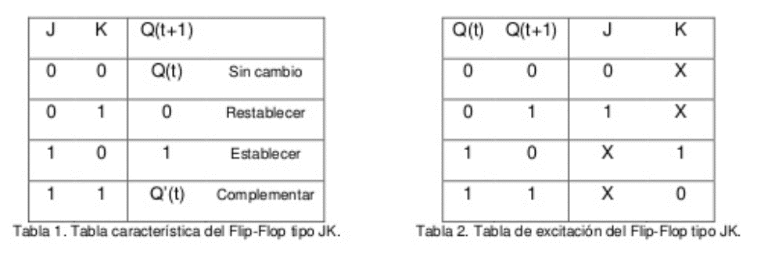
 |  |  |  |  |  |  |  |  |  |  |  |  |  |  |  |  | JC = QBQA |  |  |  |  |  | KC = QBQA

 |  |  |  |  |  |  |  |  |  |  |  |  |  |  |  | JB |  |  |  |  |  | KB
 |  |  |  |  |  |  |  |  |  |  |  |  |  |  |  |  | QB QA |  |  |  |  |  | QB QA
 |  |  |  |  |  |  |  |  |  |  |  |  |  |  |  | QD QC |  | 0 0 | 0 1 | 1 1 | 1 0 | QD QC |  | 0 0 | 0 1 | 1 1 | 1 0
 |  |  |  |  |  |  |  |  |  |  |  |  |  |  |  |  | 0 0 | 0 | 1 | X | X |  | 0 0 | X | X | 1 | 0
 |  |  |  |  |  |  |  |  |  |  |  |  |  |  |  |  | 0 1 | 0 | 1 | X | X |  | 0 1 | X | X | 1 | 0
 |  |  |  |  |  |  |  |  |  |  |  |  |  |  |  |  | 1 1 | X | X | X | X |  | 1 1 | X | X | X | X
 |  |  |  |  |  |  |  |  |  |  |  |  |  |  |  |  | 1 0 | 0 | 0 | X | X |  | 1 0 | X | X | X | X
 |  |  |  |  |  |  |  |  |  |  |  |  |  |  |  |  | JB = QD'QA |  |  |  |  |  | KB = QA

 |  |  |  |  |  |  |  |  |  |  |  |  |  |  |  | JA |  |  |  |  |  | KA
 |  |  |  |  |  |  |  |  |  |  |  |  |  |  |  |  | QB QA |  |  |  |  |  | QB QA
 |  |  |  |  |  |  |  |  |  |  |  |  |  |  |  | QD QC |  | 0 0 | 0 1 | 1 1 | 1 0 | QD QC |  | 0 0 | 0 1 | 1 1 | 1 0
 |  |  |  |  |  |  |  |  |  |  |  |  |  |  |  |  | 0 0 | 1 | X | X | 1 |  | 0 0 | X | 1 | 1 | X
 |  |  |  |  |  |  |  |  |  |  |  |  |  |  |  |  | 0 1 | 1 | X | X | 1 |  | 0 1 | X | 1 | 1 | X
 |  |  |  |  |  |  |  |  |  |  |  |  |  |  |  |  | 1 1 | X | X | X | X |  | 1 1 | X | X | X | X
 |  |  |  |  |  |  |  |  |  |  |  |  |  |  |  |  | 1 0 | 1 | X | X | X |  | 1 0 | X | 1 | X | X
 |  |  |  |  |  |  |  |  |  |  |  |  |  |  |  |  | JA = 1 |  |  |  |  |  | KA = 1

